Final-Analysis
Table 1. Experimental Group: The Growth of African Marigold treated with Liquified Food Waste Organic Fertilizer after 3 weeks of treatment. |  |  |  | Table 4. Experimental Group: Summary of Table 1 Liquified Food Waste organic fertilizer.
Samples | Height (cm) | No. of leaves | Total length of leaves (cm) |  |  |  |  | Table 7. One-way Anova Test Results. |  |  | alpha = 0.05 | Determine where significant differences lie through Tukey’s Honest Significant Difference (verifies results from Bonferroni Test)
1 | 67.00 | 34.00 | 318.00 |  | Height (cm) | No. of leaves | Total length of leaves (cm)
2 | 64.00 | 46.00 | 328.00 | count | 12.00 | 12.00 | 12.00 | Growth Parameter | F-statistic | P-value | Reject null hypothesis | Table 11. Determine Significant Differences of the Height (cm) between fertilization treatments through Tukey’s Honest Significant Difference.
3 | 65.00 | 36.00 | 325.00 | mean | 70.50 | 43.50 | 359.50 | Height (cm) | 3.58E+01 | 5.47E-09 | TRUE | Group 1 | Group 2 | Meandiff | P-adj | Lower | Upper | Reject null hypothesis
4 | 76.00 | 41.00 | 308.00 | std | 5.62 | 5.55 | 39.86 | No. of leaves | 1.00E+01 | 3.99E-04 | TRUE | EG | NCG | -21.6667 | 0.001 | -28.1169 | -15.2164 | TRUE
5 | 75.00 | 46.00 | 374.00 | min | 62.00 | 34.00 | 308.00 | Total length of leaves (cm) | 2.21E+01 | 8.04E-07 | TRUE | EG | PCG | -6.5 | 0.0479 | -12.9503 | -0.0497 | TRUE
6 | 62.00 | 47.00 | 310.00 | 25% | 65.00 | 39.75 | 323.25 |  |  |  |  | NCG | PCG | 1.52E+01 | 0.001 | 8.7164 | 21.6169 | TRUE
7 | 79.00 | 48.00 | 414.00 | 50% | 72.00 | 46.00 | 370.00
8 | 65.00 | 46.00 | 386.00 | 75% | 75.00 | 47.25 | 388.00 |  |  |  |  | Table 12. Determine Significant Differences of the No. of leaves between fertilization treatments through Tukey’s Honest Significant Difference.
9 | 72.00 | 35.00 | 366.00 | max | 79.00 | 49.00 | 415.00 | Determine where significant differences lie through Bonferroni Test |  |  |  | Group 1 | Group 2 | Meandiff | P-adj | Lower | Upper | Reject null hypothesis
10 | 75.00 | 49.00 | 394.00 |  |  |  |  |  |  |  |  | EG | NCG | -9.25 | 0.0078 | -16.2868 | -2.2132 | TRUE
11 | 72.00 | 45.00 | 415.00 |  |  |  |  | Corrected Significance level: | alpha / len(tests) | 0.05 / 3 | 1.67E-02 | EG | PCG | -12.3333 | 0.001 | -19.3702 | -5.2965 | TRUE
12 | 74.00 | 49.00 | 376.00 |  |  |  |  |  |  |  |  | NCG | PCG | -3.08E+00 | 0.5351 | -10.1202 | 3.9535 | FALSE
 |  |  |  |  |  |  |  | LEGEND:
 |  |  |  |  |  |  |  | EG - Experimental Group | Liquified food waster organic fertilizer |  |  | Table 13 Determine Significant Differences of the Total length of leaves (cm) between fertilization treatments through Tukey’s Honest Significant Difference.
 |  |  |  |  |  |  |  | PCG - Positive Control Group | Potassium boron chemical fertilizer |  |  | Group 1 | Group 2 | Meandiff | P-adj | Lower | Upper | Reject null hypothesis
Table 2. Positive Control Group: The Growth of African Marigold treated with Potassium Boron Chemical Fertilizer after 3 weeks of treatment. |  |  |  | Table 5. Positive Control Group: Summary of Table 2 Potassium Boron Chemical fertilizer. |  |  |  | NCG - Negative Control Group | No fertilization treatment |  |  | EG | NCG | -112.3333 | 0.001 | -154.9302 | -69.7365 | TRUE
Samples | Height (cm) | No. of leaves | Total length of leaves (cm) |  |  |  |  |  |  |  |  | EG | PCG | -79.4167 | 0.001 | -122.0135 | -36.8198 | TRUE
1 | 70.00 | 25.00 | 235.00 |  | Height (cm) | No. of leaves | Total length of leaves (cm) | Table 8. Determine Significant Differences of the Height (cm) between fertilization treatments through Bonferroni Test. |  |  |  | NCG | PCG | 32.9167 | 0.1559 | -9.6802 | 75.5135 | FALSE
2 | 59.00 | 31.00 | 325.00 | count | 12.00 | 12.00 | 12.00 | Pairs | T-statistic | P-value | Reject null hypothesis
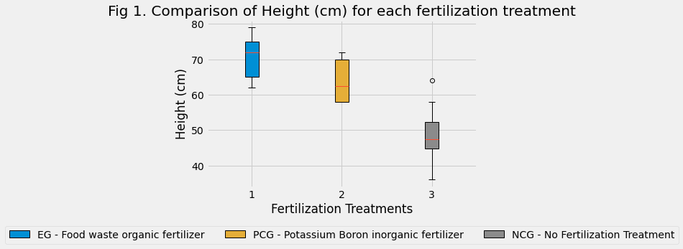
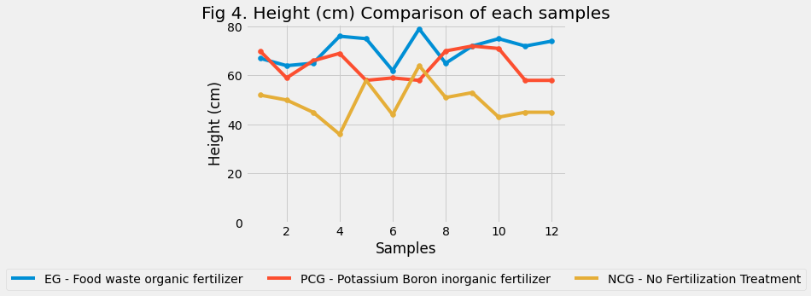
3 | 66.00 | 27.00 | 249.00 | mean | 64.00 | 31.17 | 280.08 | EG ~ PCG | 2.72 | 1.26E-02 | TRUE | DATA VISUALIZATIONS
4 | 69.00 | 31.00 | 318.00 | std | 6.09 | 8.58 | 49.07 | EG ~ NCG | 8.03 | 5.53E-08 | TRUE
5 | 58.00 | 28.00 | 207.00 | min | 58.00 | 21.00 | 207.00 | PCG ~ NCG | 5.45 | 1.78E-05 | TRUE
6 | 59.00 | 32.00 | 250.00 | 25% | 58.00 | 26.75 | 249.75
7 | 58.00 | 21.00 | 293.00 | 50% | 62.50 | 28.50 | 273.50 | Table 9. Determine Significant Differences of the No. of leaves between fertilization treatments through Bonferroni Test.
8 | 70.00 | 29.00 | 260.00 | 75% | 70.00 | 31.25 | 299.25 | Pairs | T-statistic | P-value | Reject null hypothesis
9 | 72.00 | 28.00 | 283.00 | max | 72.00 | 52.00 | 394.00 | EG ~ PCG | 4.18 | 3.88E-04 | TRUE
10 | 71.00 | 44.00 | 265.00 |  |  |  |  | EG ~ NCG | 3.71 | 1.21E-03 | TRUE
11 | 58.00 | 52.00 | 394.00 |  |  |  |  | PCG ~ NCG | -0.99 | 3.35E-01 | FALSE
12 | 58.00 | 26.00 | 282.00

 |  |  |  |  |  |  |  | Table 10. Determine Significant Differences of the Total length of leaves (cm) between fertilization treatments through Bonferroni Test.
 |  |  |  |  |  |  |  | Pairs | T-statistic | P-value | Reject null hypothesis
Table 3. Negative Control Group: The Growth of African Marigold that received No fertilization treatment after 3 weeks of growth. |  |  |  | Table 6. Negative Control Group: Summary of Table 3 No fertilization treatment. |  |  |  | EG ~ PCG | 4.18 | 3.88E-04 | TRUE
Samples | Height (cm) | No. of leaves | Total length of leaves (cm) |  |  |  |  | EG ~ NCG | 3.71 | 1.21E-03 | TRUE
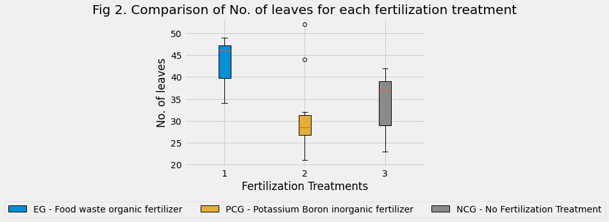
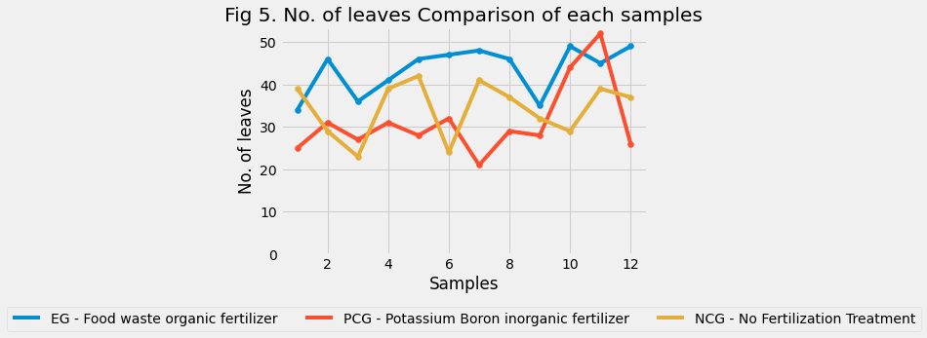
1 | 52.00 | 39.00 | 227.00 |  | Height (cm) | No. of leaves | Total length of leaves (cm) | PCG ~ NCG | -0.99 | 3.35E-01 | FALSE
2 | 50.00 | 29.00 | 247.00 | count | 12.00 | 12.00 | 12.00
3 | 45.00 | 23.00 | 216.00 | mean | 48.83 | 34.25 | 247.17
4 | 36.00 | 39.00 | 208.00 | std | 7.47 | 6.61 | 37.81
5 | 58.00 | 42.00 | 236.00 | min | 36.00 | 23.00 | 192.00
6 | 44.00 | 24.00 | 192.00 | 25% | 44.75 | 29.00 | 224.25
7 | 64.00 | 41.00 | 275.00 | 50% | 47.50 | 37.00 | 240.00
8 | 51.00 | 37.00 | 244.00 | 75% | 52.25 | 39.00 | 275.25
9 | 53.00 | 32.00 | 232.00 | max | 64.00 | 42.00 | 326.00
10 | 43.00 | 29.00 | 276.00
11 | 45.00 | 39.00 | 287.00
12 | 45.00 | 37.00 | 326.00

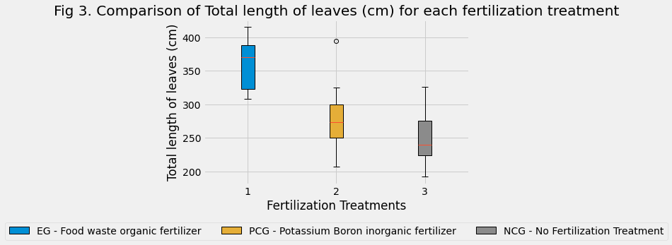
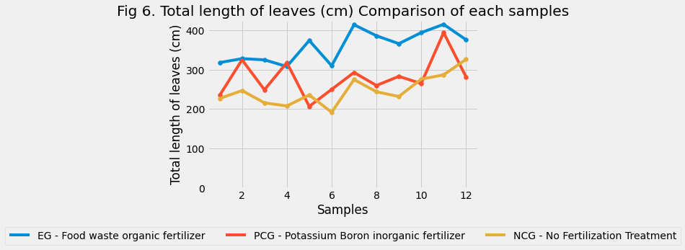

 |  |  |  |  |  |  |  |  |  |  |  | LINK TO REPO: https://github.com/CSjianbel/African-Marigold-Analysis

